NVP
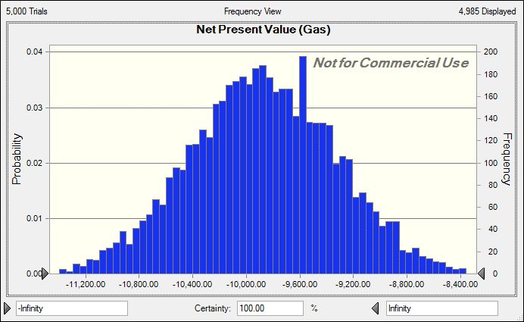
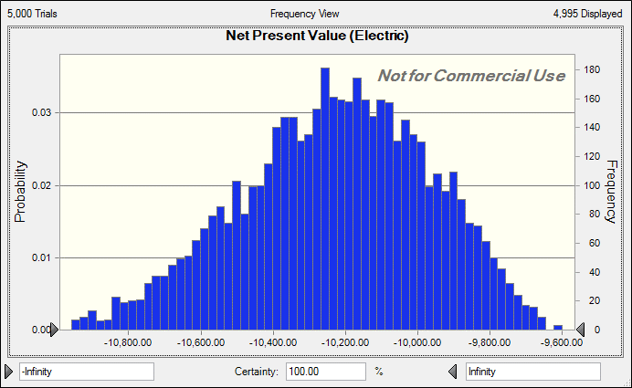
Gas |  |  |  |  |  | Electric
 |  | Year | Maint. + Salv. | NPV |  |  |  | Year | Maint. + Salv. | NPV
Initial Cost | 6000 | 0 | -6000 | -6000 |  | Cost | 8000 | 0 | -8000 | -8000
Salvage | 500 | 1 | -1000 | -943.39622642 |  | Salvage | 1500 | 1 | -750 | -707.54716981
Annual Maintenance | 1000 | 2 | -1000 | -889.99644001 |  | Annual Maintenance | 750 | 2 | -750 | -667.49733001
 |  | 3 | -1000 | -839.61928303 |  |  |  | 3 | -750 | -629.71446227
 |  | 4 | -1000 | -792.09366324 |  |  |  | 4 | -750 | -594.07024743
 |  | 5 | -500 | -373.62908643 |  |  |  | 5 | 750 | 560.44362965
Sum |  |  |  | -9838.7346991 |  |  |  |  |  | -10038.38558

Gas |  |  |  |  |  | Electric
 |  | Year | Maintenance | NPV | salvage |  |  | year | Maintenance | NPV | Salvage
Initial Cost | 6000 | 0 | 0 | -6000 |  | Cost | 8000 | 0 | 0 | -8000
Salvage | 500 | 1 | -1000 | -943.39622642 |  | Salvage | 1500 | 1 | -750 | -707.54716981
Annual Maintenance | 1000 | 2 | -1000 | -889.99644001 |  | Annual Maintenance | 750 | 2 | -750 | -667.49733001
 |  | 3 | -1000 | -839.61928303 |  |  |  | 3 | -750 | -629.71446227
 |  | 4 | -1000 | -792.09366324 |  |  |  | 4 | -750 | -594.07024743
 |  | 5 | -1000 | -373.62908643 | 500 |  |  | 5 | -750 | 560.44362965 | 1500
Sum |  |  |  | -9838.7346991 |  |  |  |  |  | -10038.38558
 |  | Avg | -9,877.17 |  |  |  |  | Avg | -10,229.37
 |  | Std. Dev. | 541.37 |  |  |  |  | Std. Dev. | 260.5

Probability
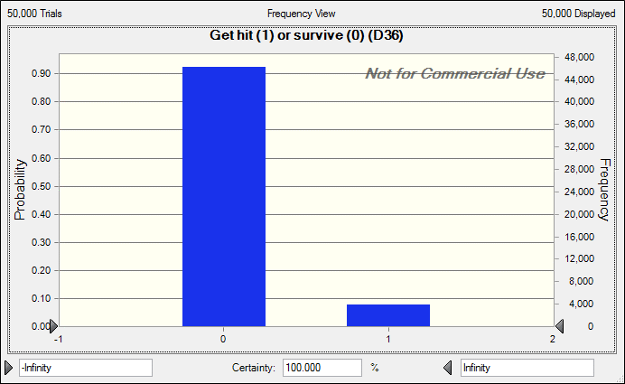
Part (a)
 | Car Pass Rate | Person pass time | Get hit (1) or survive (0)
 | 0.5 | 0.16666666667 | 0
 |  | Mean (probability the car hit the person) | 0.08



Part (b)
 | Car Pass Rate | Person pass time | Get hit (1) or survive (0)
 | 0.5 | 0.25 | 0
 |  | Mean (probability the car hit the person) | 0.08

